Bug Report
Defect report |  | Defect report |  | Defect report
Release | V.1.0 | Release | V.1.0 | Release | V.1.0
TC_ID | TC_06 | TC_ID | TC_08 | TC_ID | TC_09
Title | the shopping cart for the new registerd user contain one element | Title | adding new element to shopping cart alread had element one element only stay in the cart | Title | calculating discount for the element
Description | when the user registerd for the firtst time must found the shopping cart empty | Description | when the user add more than one element to the shopping cart the last element overlap all elements | Description | the total payment must be the price of the book minus the discount amount
Steps | 1- login by new registerd acount 2- open the shopping cart | Steps | "1- log in by registerd acount 2- open the shopping cart " 3- search for a book 4- add two books to the shopping cart 5-open the shopping cart | Steps | "1- log in by registerd acount 2- open the shopping cart " 3- search for a book 4- add the book to the shopping cart 5-open the shopping cart
Expected Results | the shopping cart must be empty | Expected Results | the shopping cart must contain two elements | Expected Results | the total payment must be the price of the book minus the discount amount
Actual Result | the shooping cart contain one element | Actual Result | the shooping cart contain one element | Actual Result | the total payment was the price of the book plus the discount amount
Environment |  | Environment | microsoft Edge | Environment | microsoft Edge
Screenshot / Video | 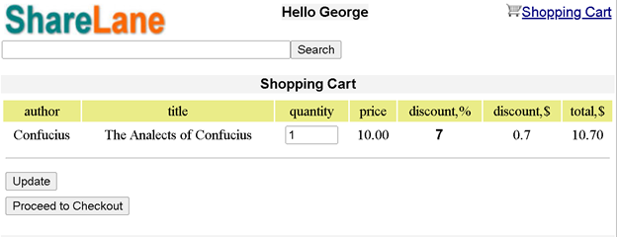 | Screenshot / Video | https://drive.google.com/file/d/1UKmxXDjGYZeUm85ZRNVZIpvLrPYqeHDr/view?usp=sharing | Screenshot / Video
Rate |  | Rate |  | Rate
Priority | 1 | Priority | 1 | Priority | 1
Status | Closed | Status | Closed | Status | Closed
Author : Mahmoud Mohamed Hamed |  | Author : Mahmoud Mohamed Hamed |  | Author : Mahmoud Mohamed Hamed

